Script
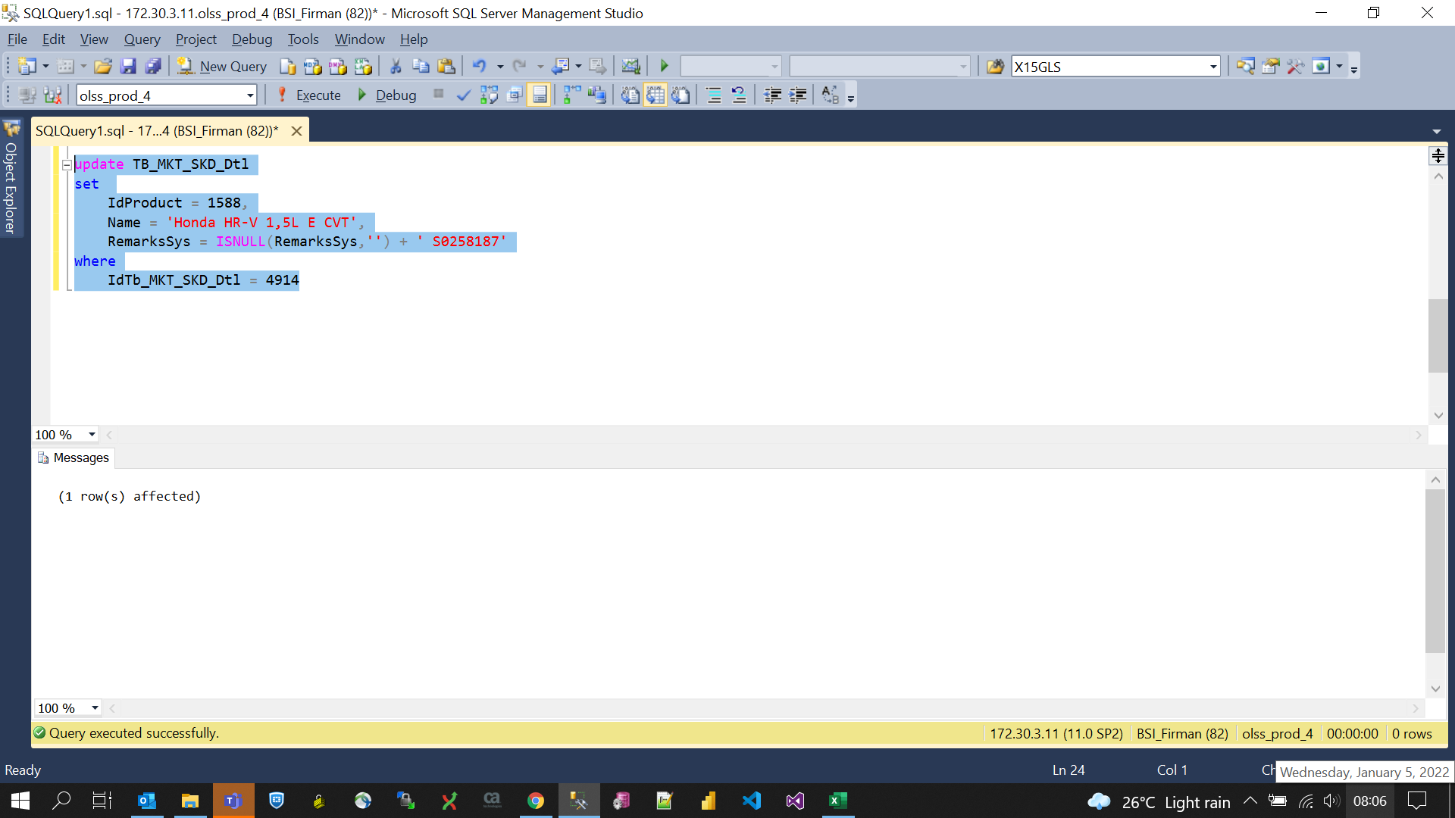
update TB_MKT_SKD_Dtl
set
 | IdProduct = 1588,
 | Name = 'Honda HR-V 1,5L E CVT',
 | RemarksSys = ISNULL(RemarksSys,'') + ' S0258187'
where
 | IdTb_MKT_SKD_Dtl = 4914

Screenshot
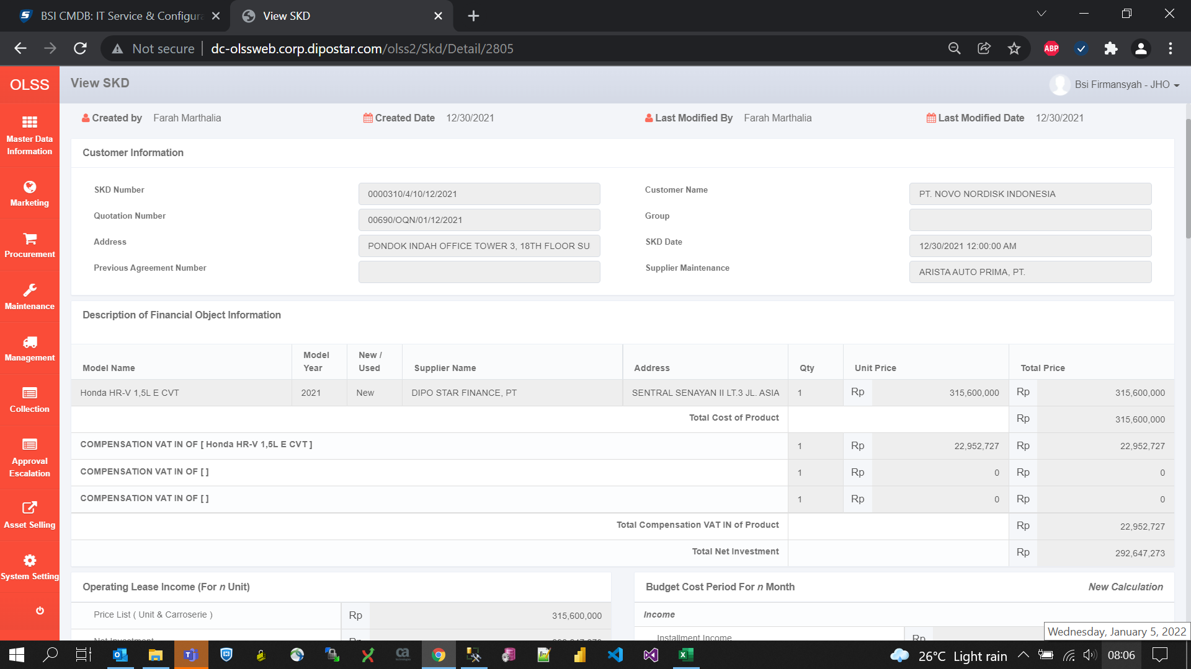
BEFORE
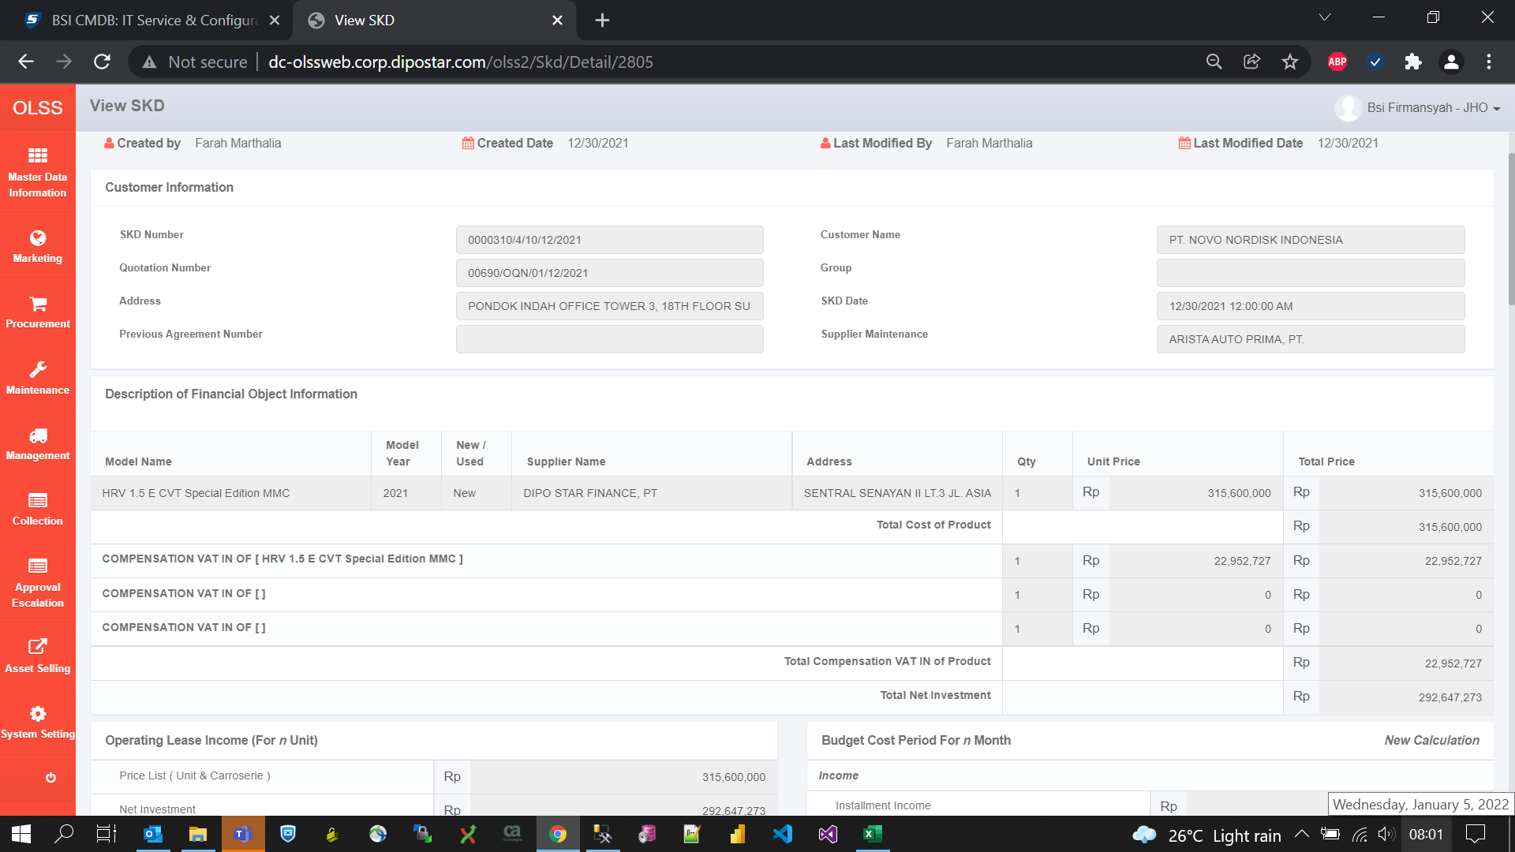

AFTER

